TC-21
【TC-21】

①Main unit
968
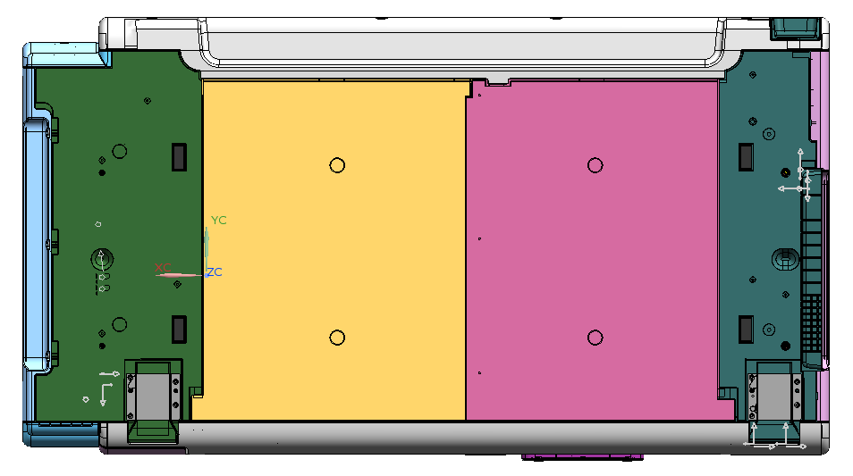
188
100
168
207
FRONT

Rubber foot size ：27.5ｘ12
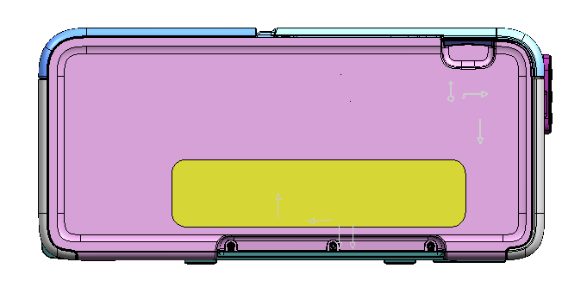
245
533
968

②Main unit(ASF Opened)

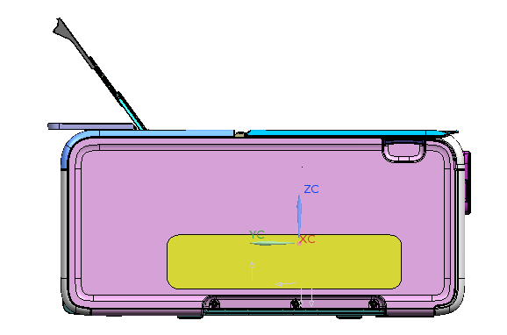
395
10
17
553
8

③Main unit(Desktop Basket Closed)
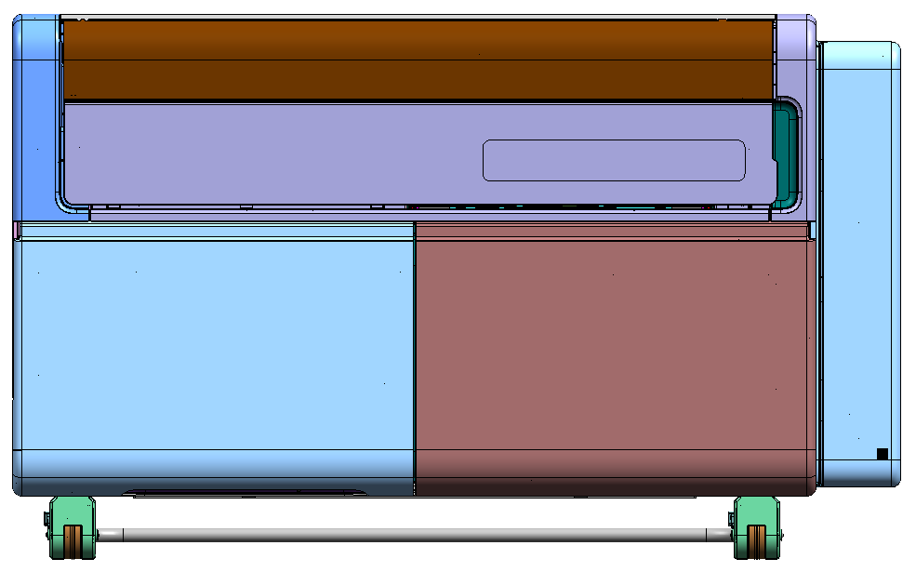
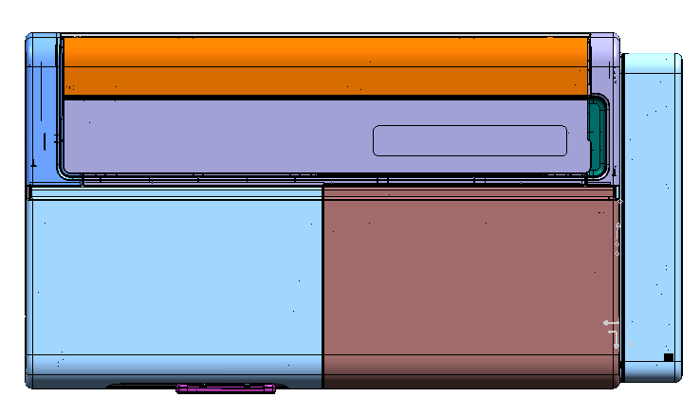

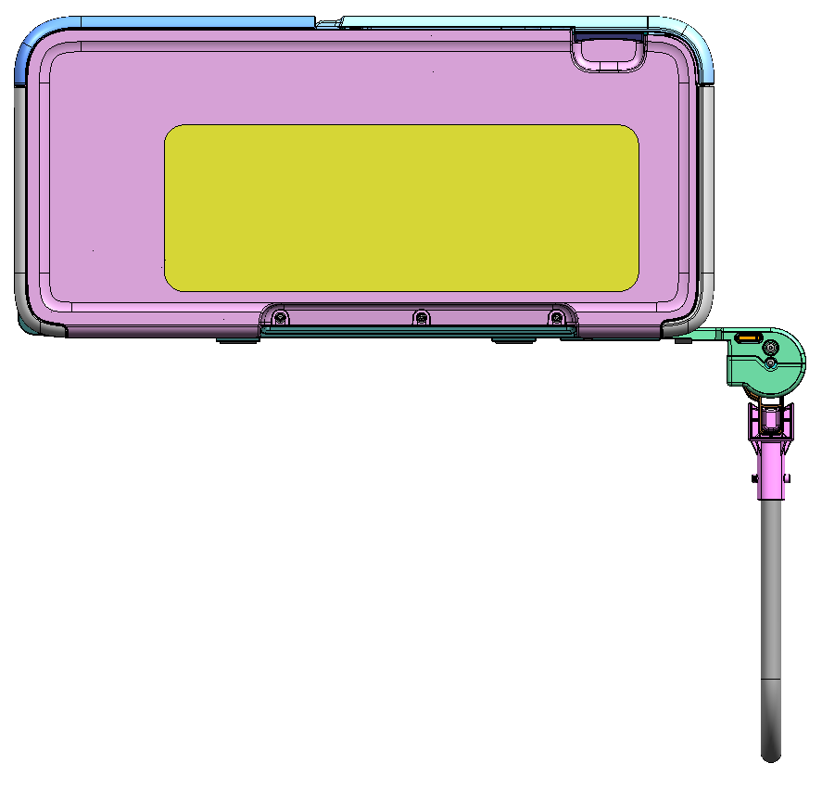
595
315
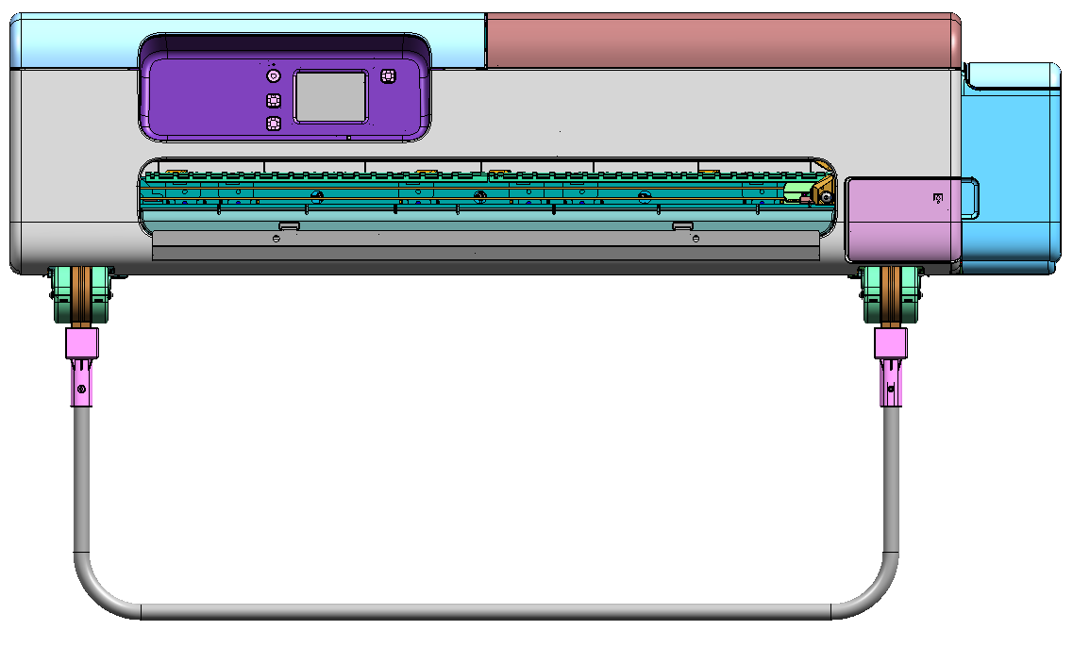
968
761
150

④Main unit(Desktop Basket Opened)

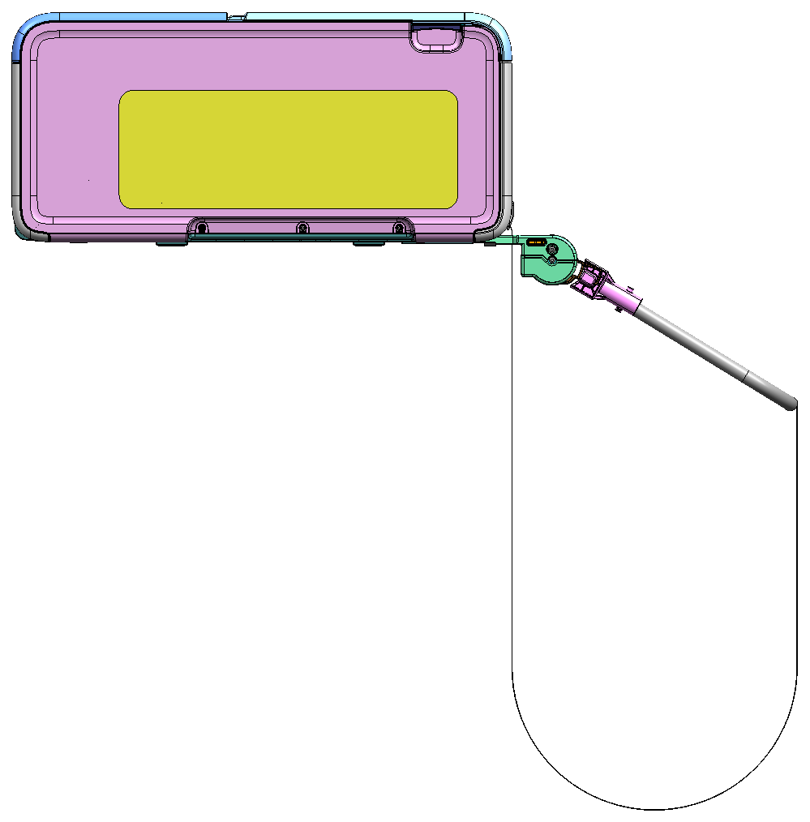
825
174

⑤Main unit(Stand Basket Closed)

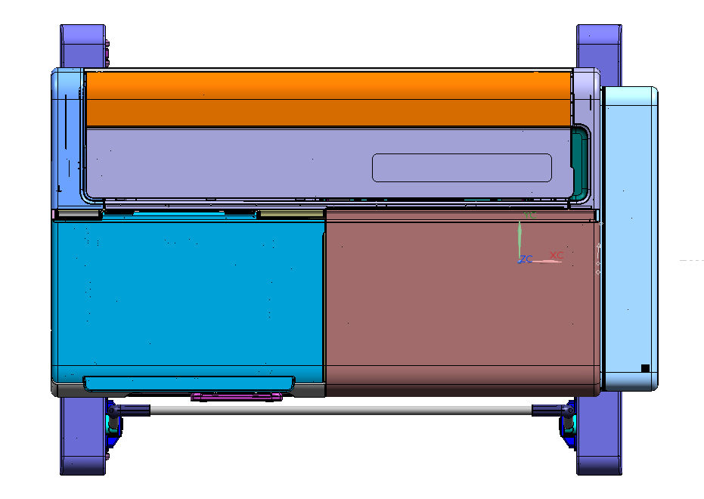

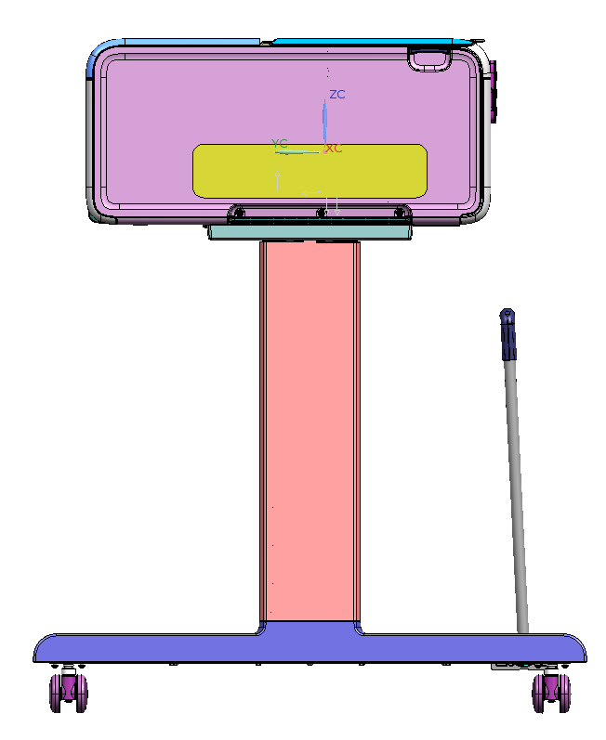
720
120
249.9
627.2(CASTER CENTER)
45.9
117.5
65
103
874
533
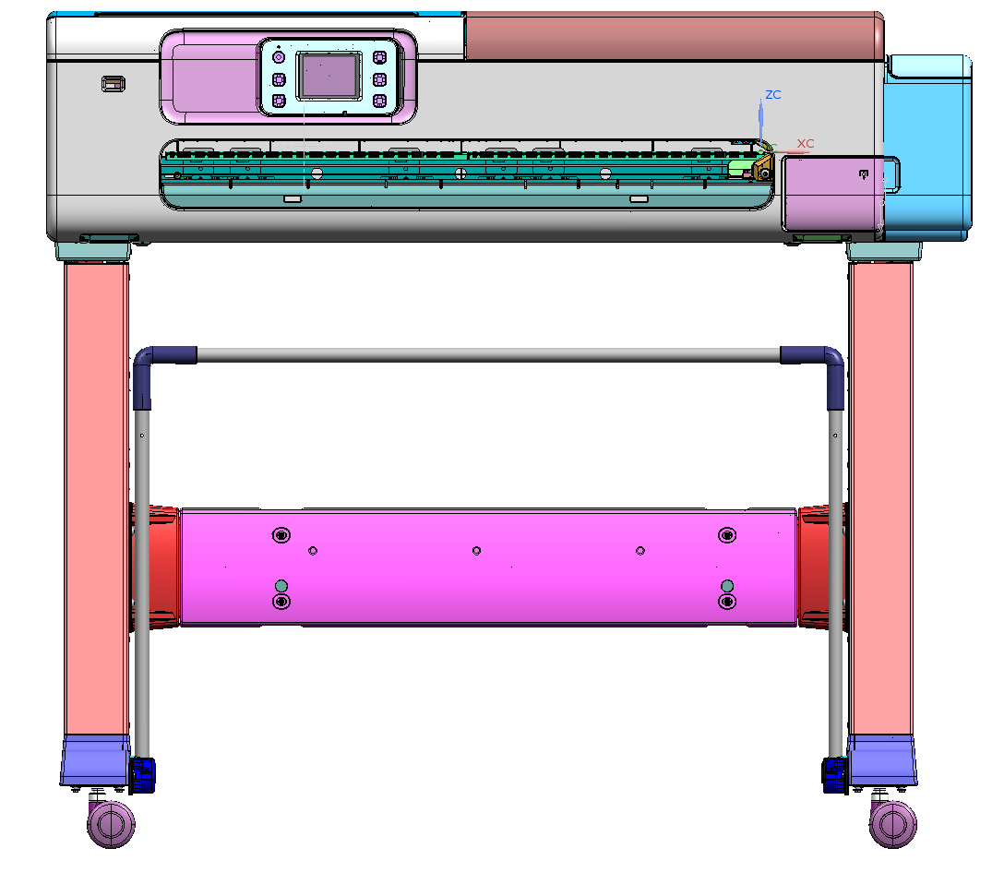
50
77.1
77.1
818(CASTER CENTER)
897.3
57
968

⑤Main unit(Stand Basket Opened)

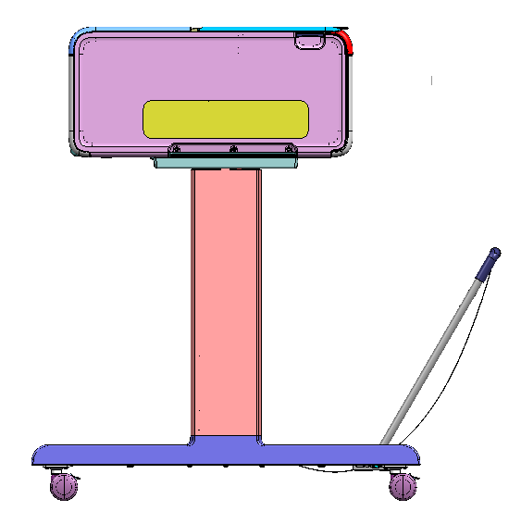
868

TC-21M
【TC-21M】

①Main unit
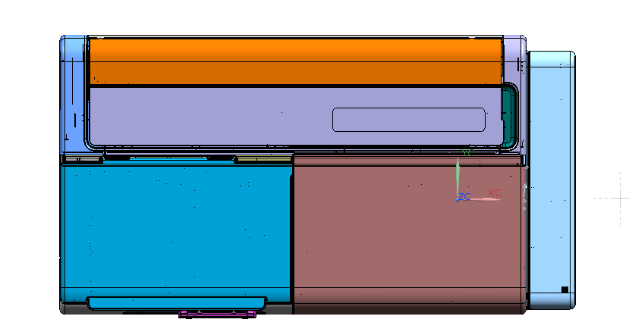
968
188
100
168
207
FRONT

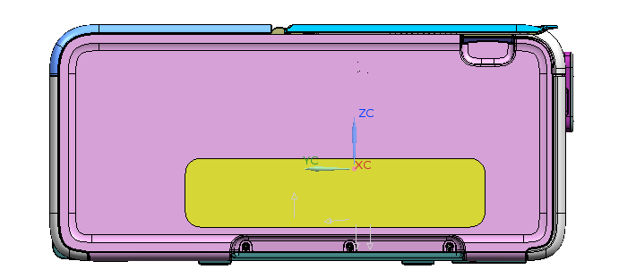
245
533
968
Rubber foot size：27.5ｘ12

②Main unit(ASF opened)

395
10
17
553
8

③Main unit(Desktop Basket Closed)
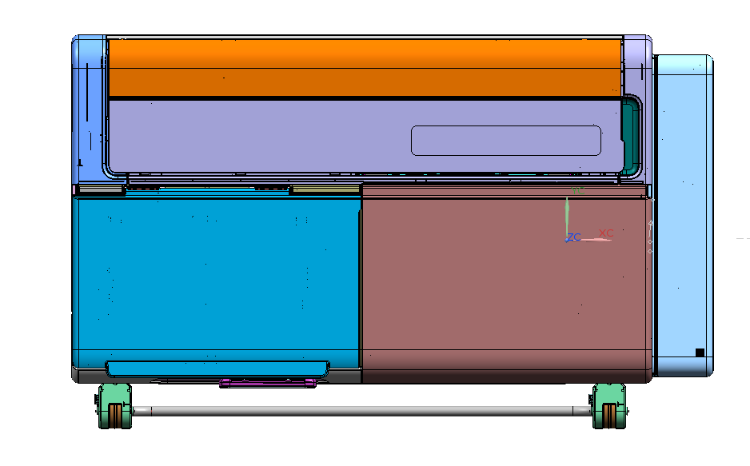

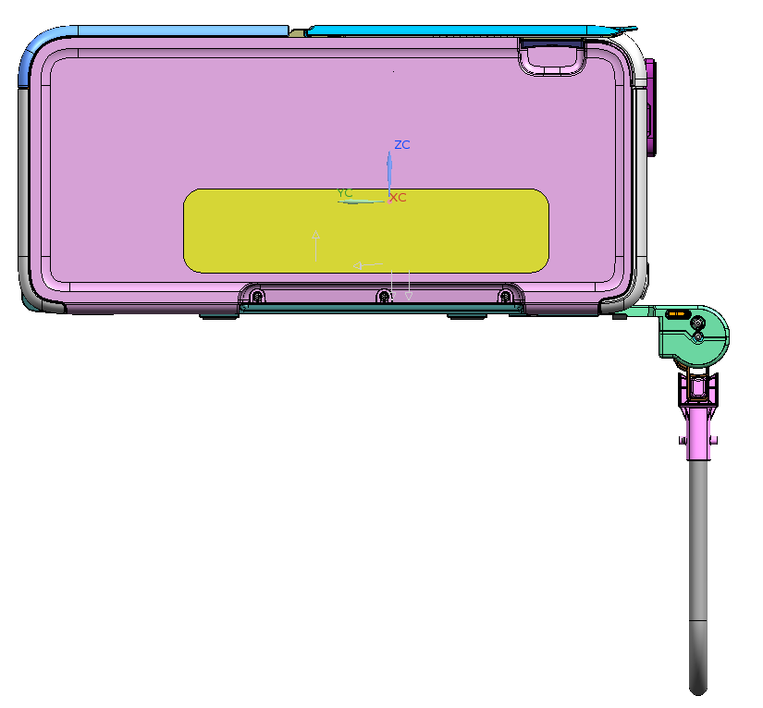
595
315
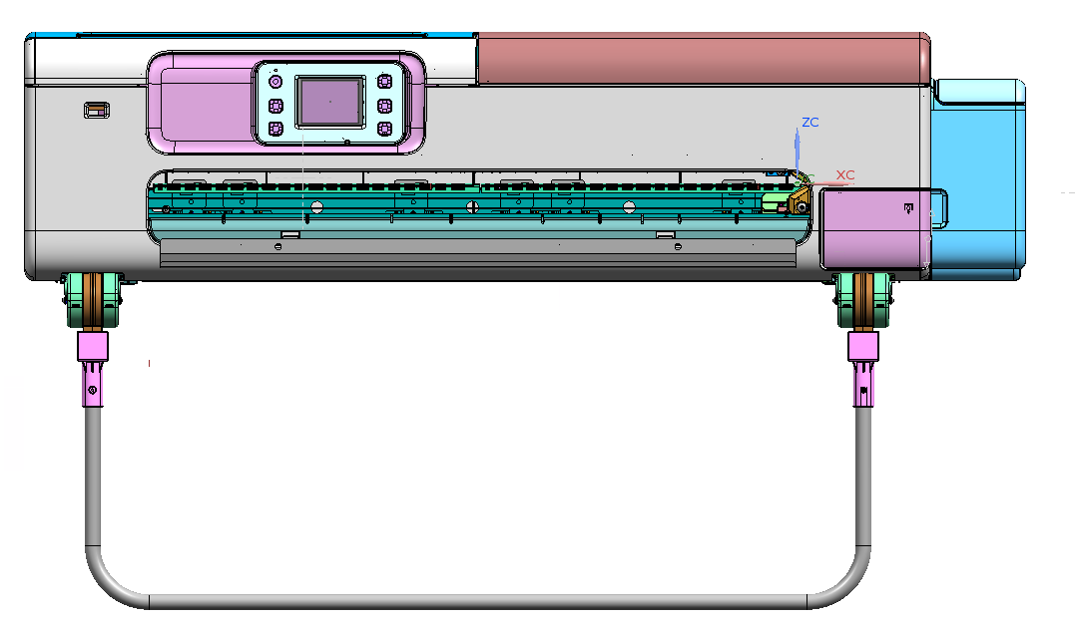
968
761
150

④Main unit(Desktop Basket Opened)

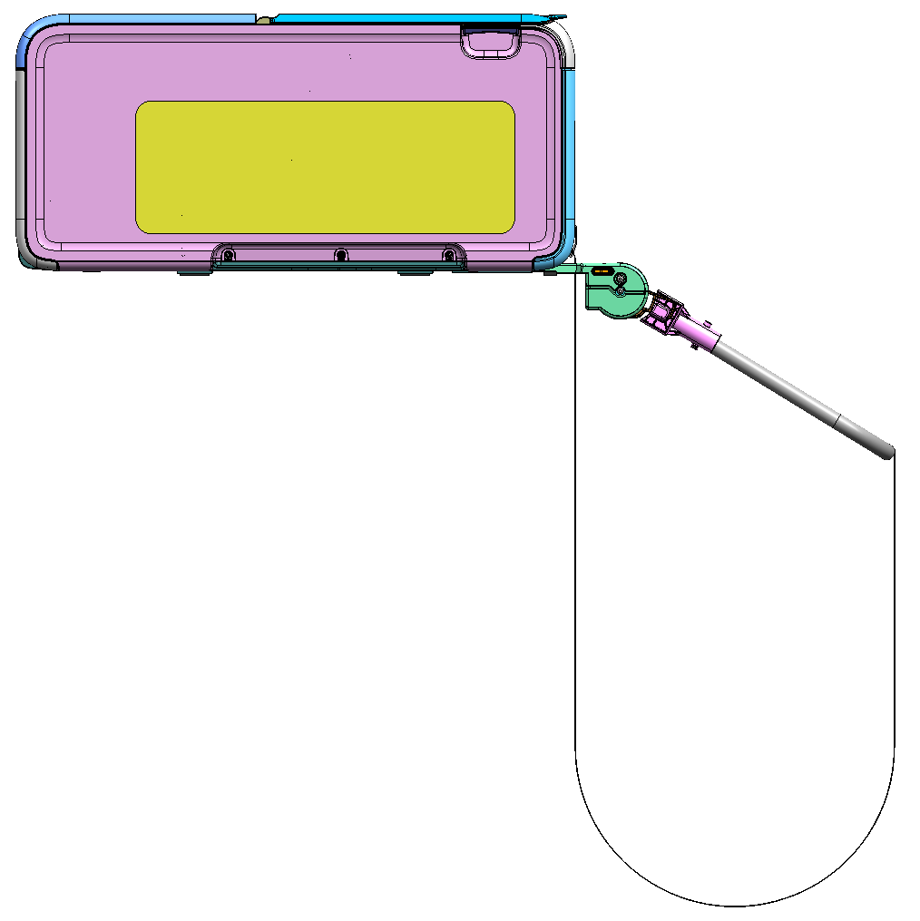
825
174

⑤Main unit(Stand Basket Closed)

SD-24 | SD-24 | SD-24 | SD-24 | SD-24 | SD-24 | SD-24 | SD-24

77.1
77.1
818(CASTER CENTER)
897.3
57
968
50
720
120
249.9
627.2(CASTER CENTER)
45.9
117.5
65
103
874
533

⑥Main unit(Stand Basket Opened)

SD-24 | SD-24 | SD-24 | SD-24 | SD-24 | SD-24 | SD-24 | SD-24

868

⑦Main unit(Document cover closed)

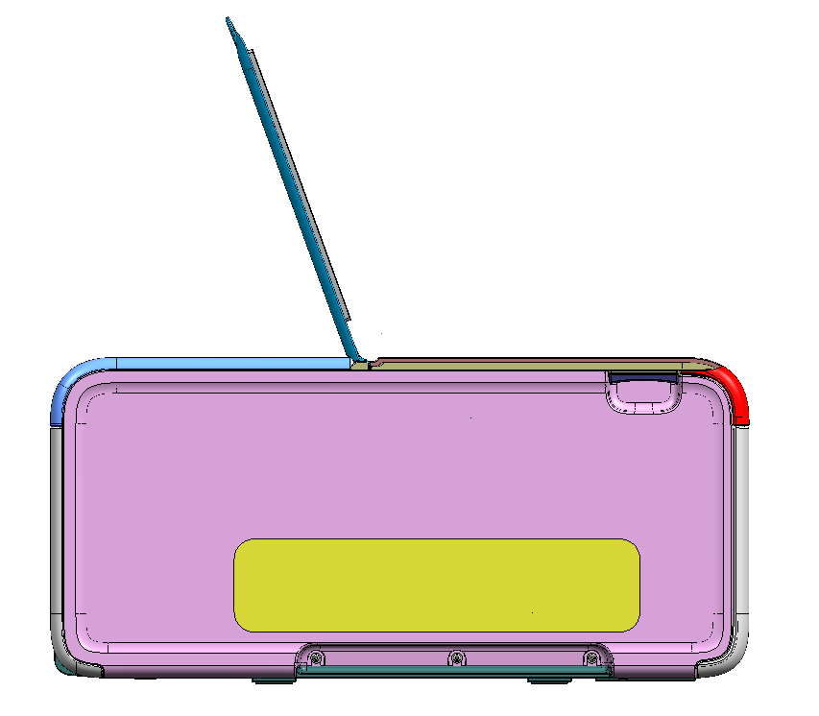
501

TM-240
【TM-240】

①without stand
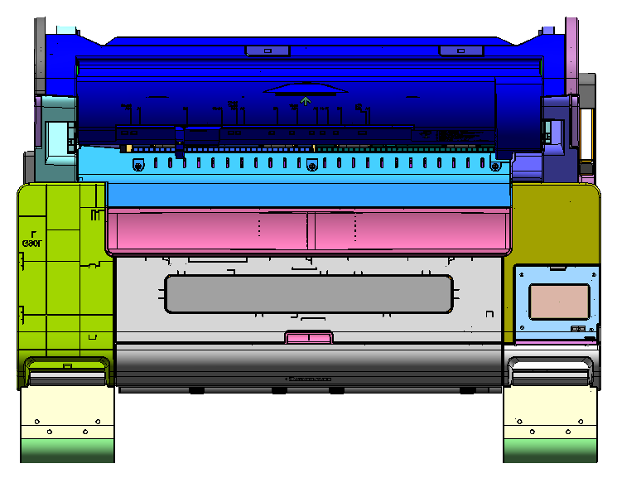
978

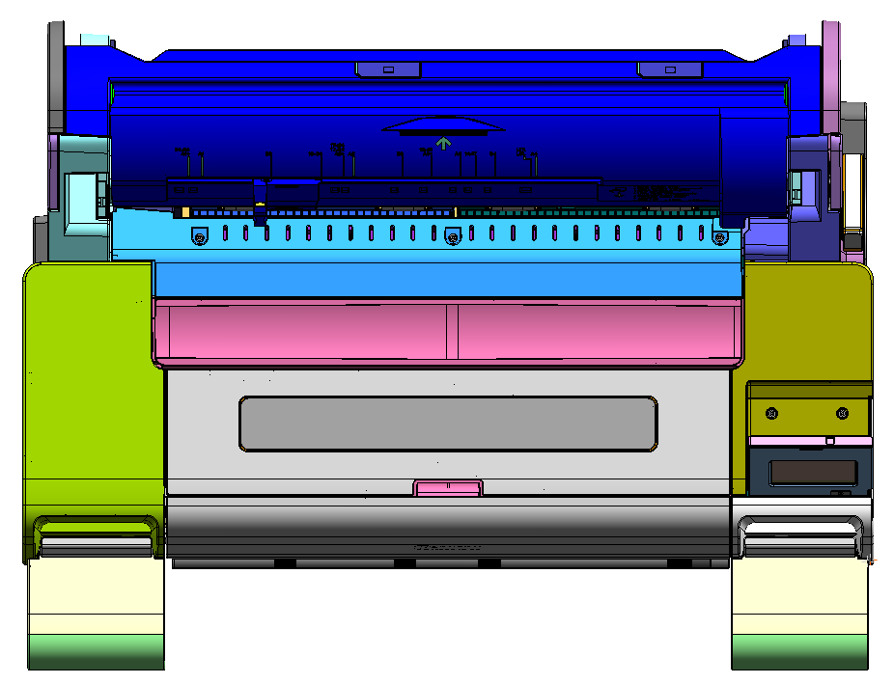

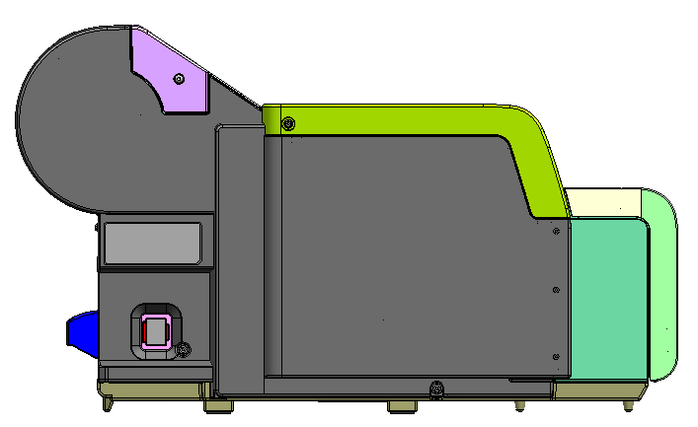
438.2
747.5
57.6
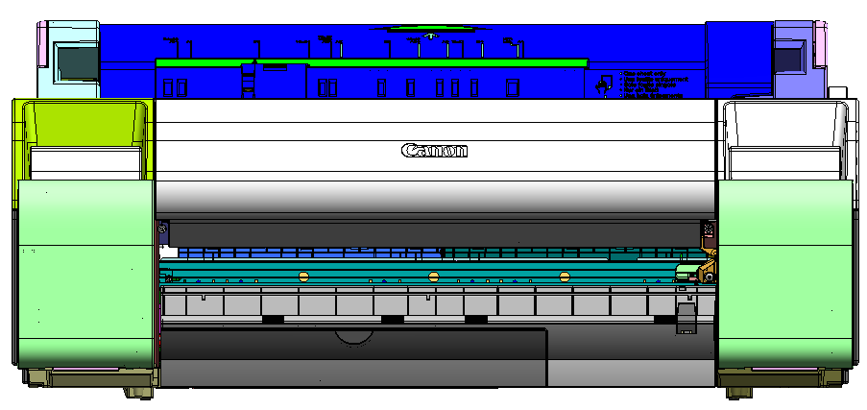
978

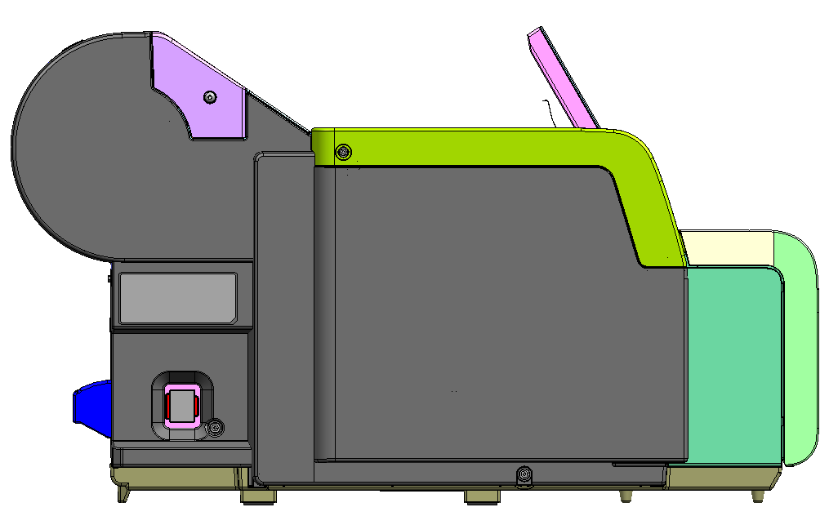
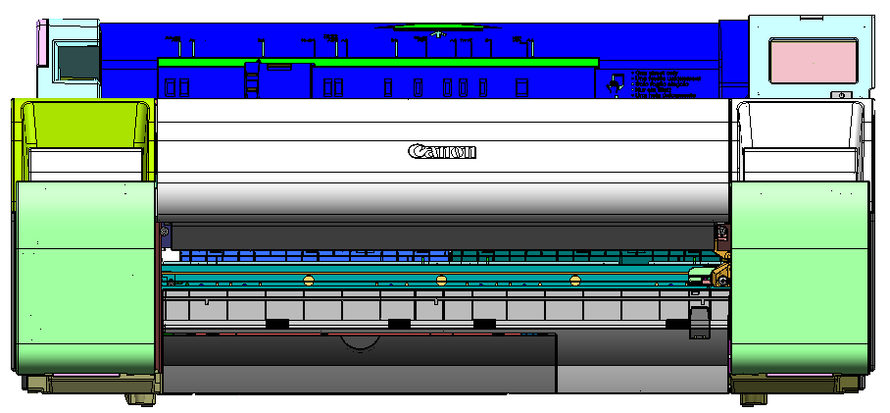

443.0

144
154

②w/ stand basket (SD-24) closed
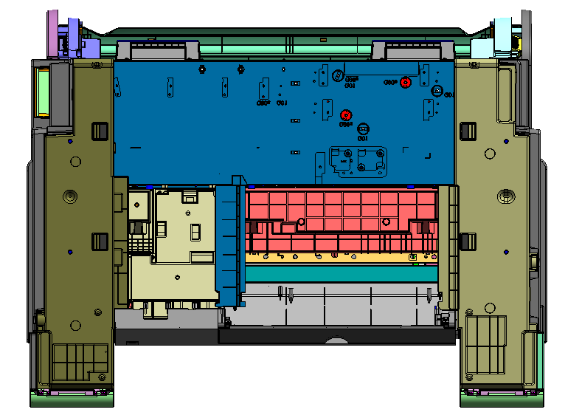

230

207

Rubber foot size：27.5ｘ12

755.4
130
248.6
627.2(CASTER CENTER)
45.9
36.3
65
103
50
1059.2
747.5
57.6
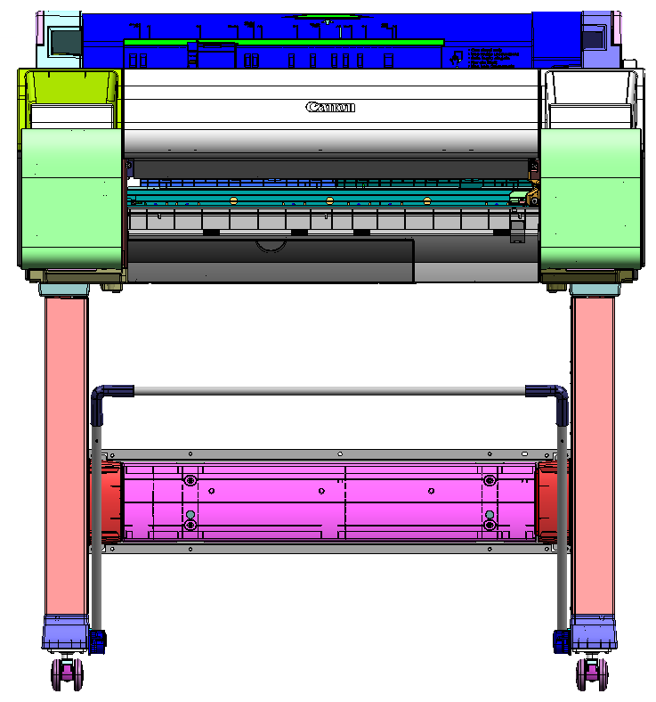
77.1
77.1
818.0(CASTER CENTER)
897.3
42.9
978

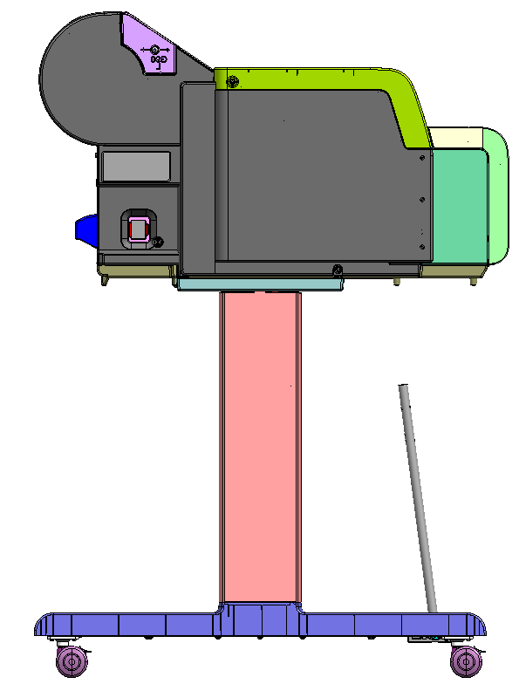

③w/stand basket (SD-24) opened

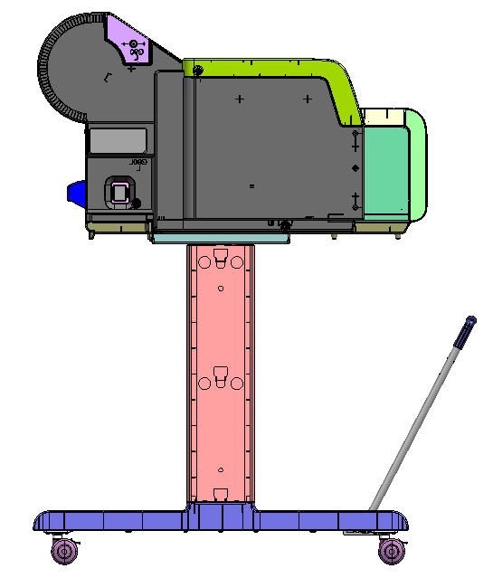
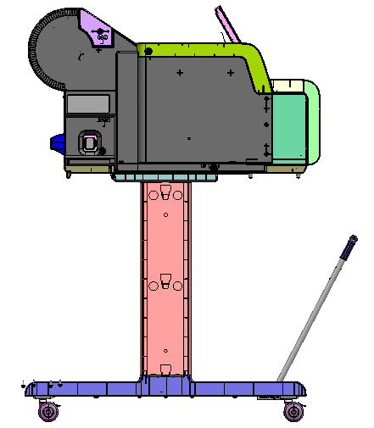
1064.0

868
（850.09+17.87（たわみ））

TM-255
TM-255

①without stand

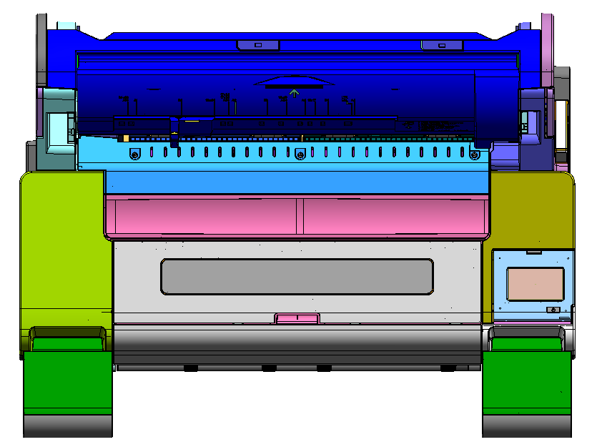
978

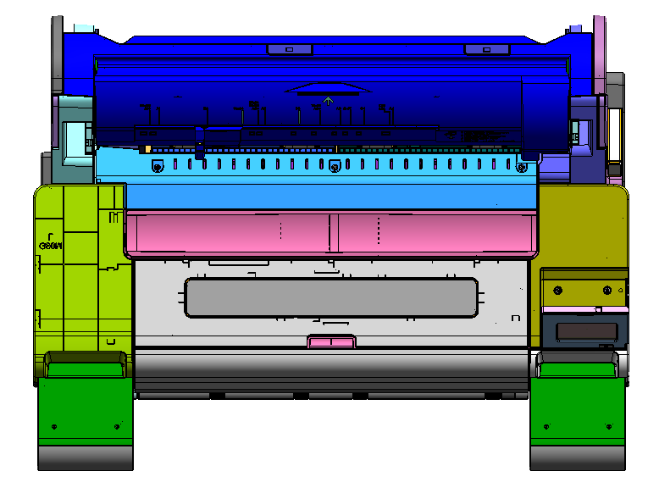

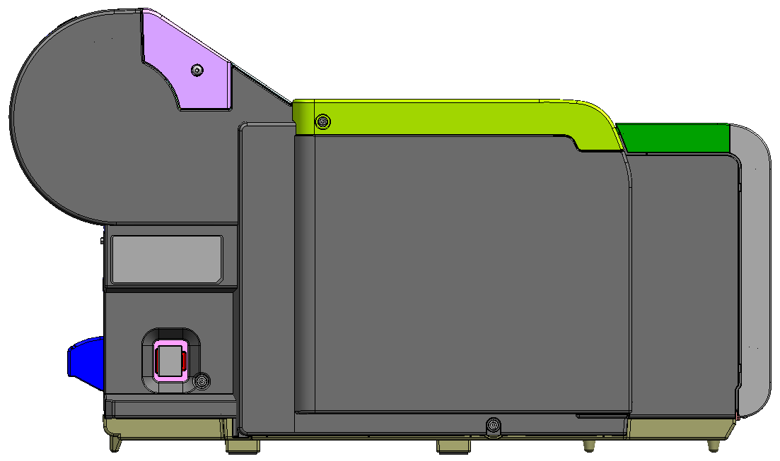
438.2
747.5
57.6

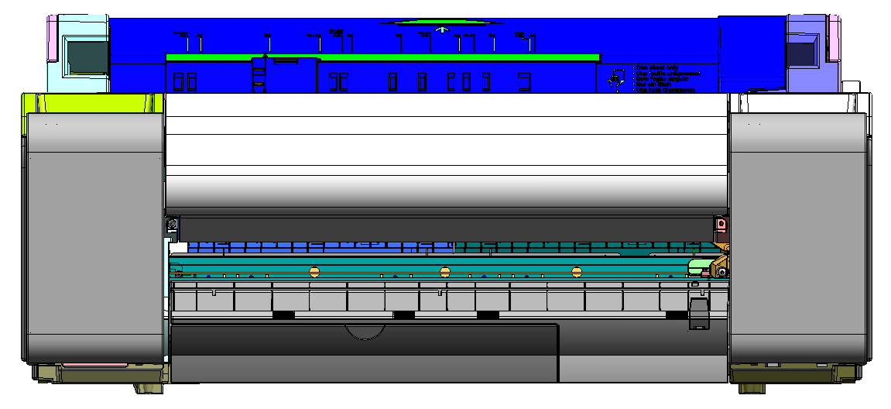
978
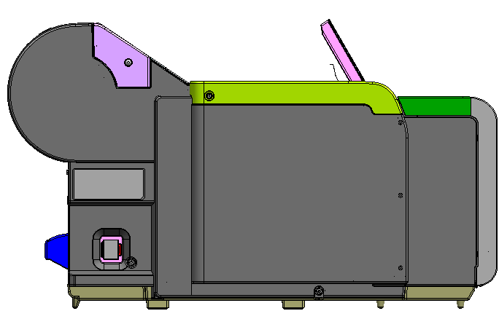
443.0
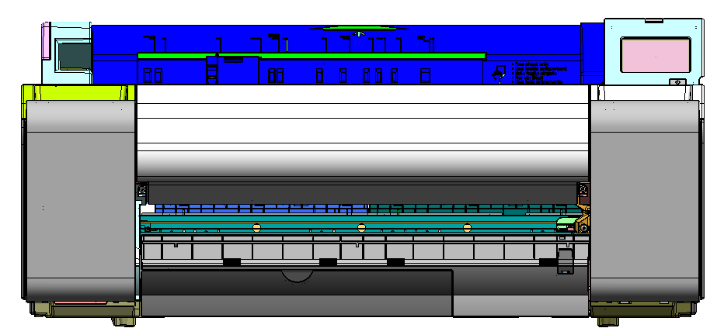

②w/ stand basket closed
154
230
207
144

Rubber foot size: 27.5ｘ12

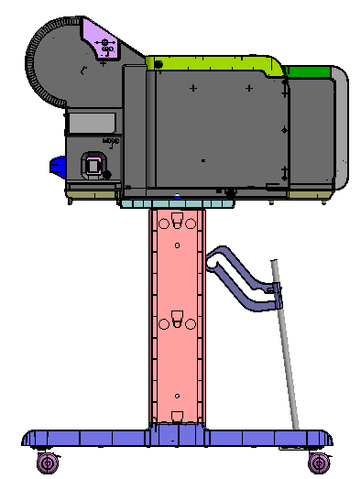
755.4
130.0
248.6
627.2(CASTER CENTER)
45.9
36.3
65
103.0
50
1059.2
747.5
57.6
77.1
77.1
818.0(CASTER CENTER)
897.3
42.9
978

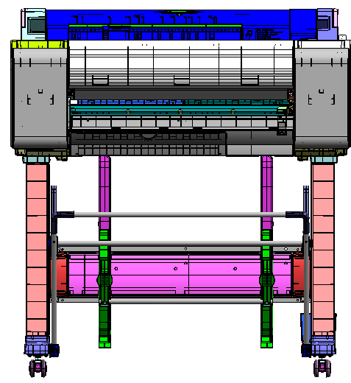

④w/stand (SD-26) position A

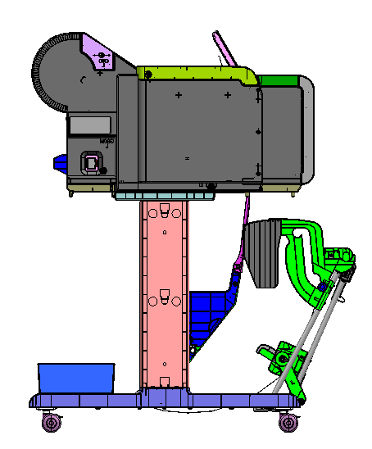
1064.0
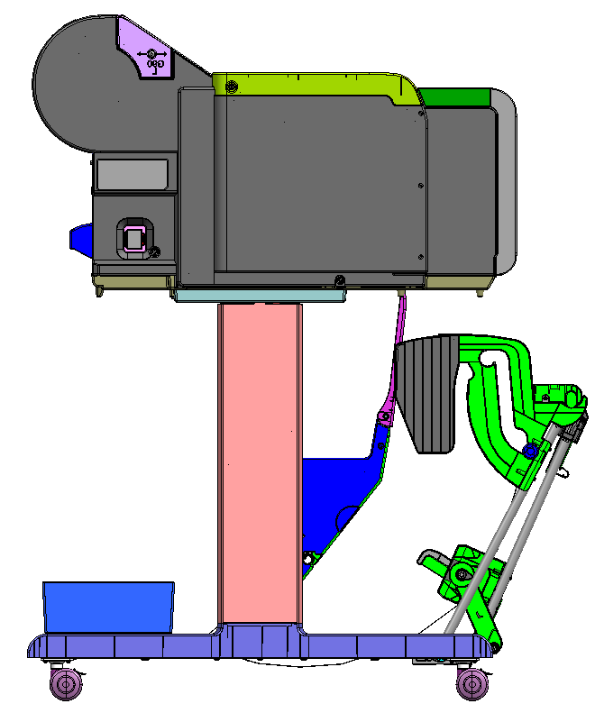
885
(865.9+19.1(バスケットたわみ))

⑤w/stand (SD-26) positon B

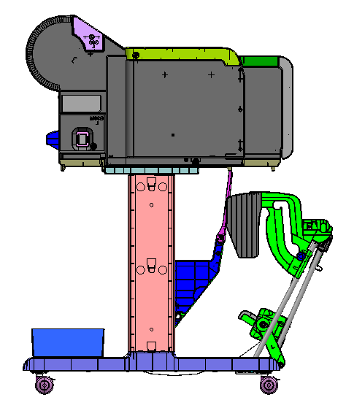

1098
(885+213(延長分))

TM-340
【TM-340】

①without stand
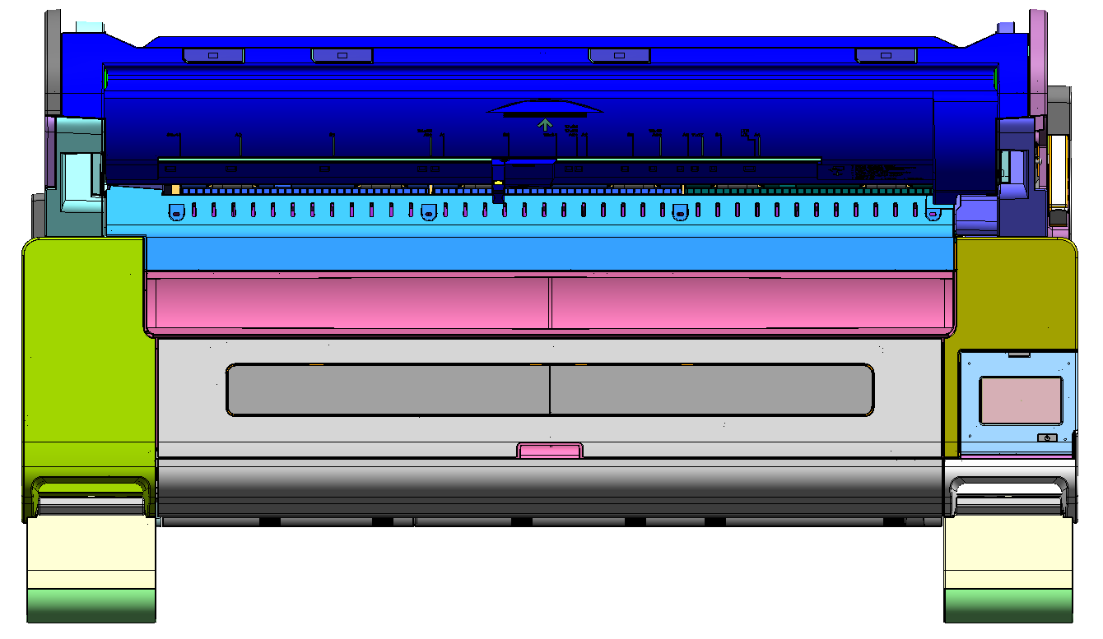
1285

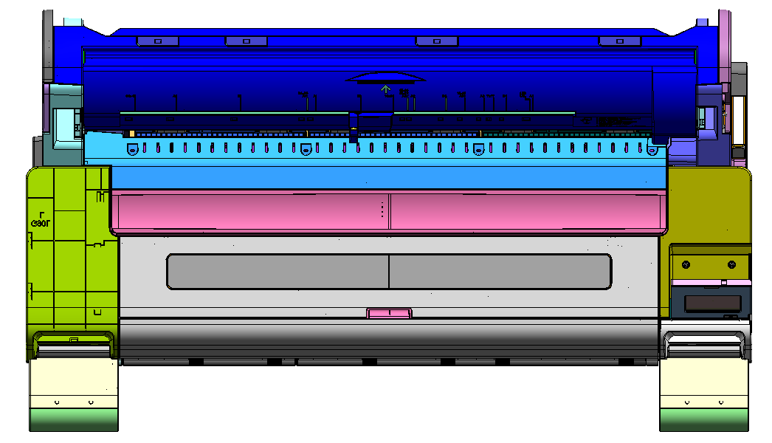

438.2
747.5
57.6
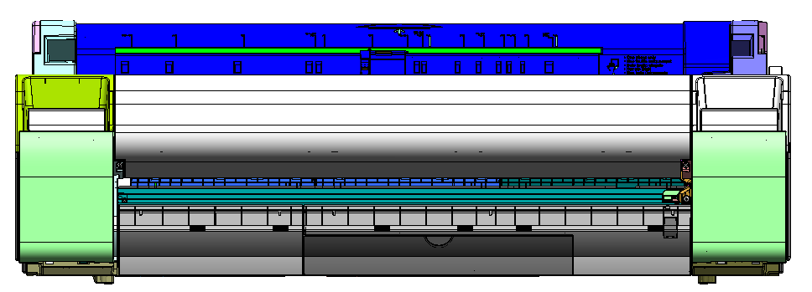
1285

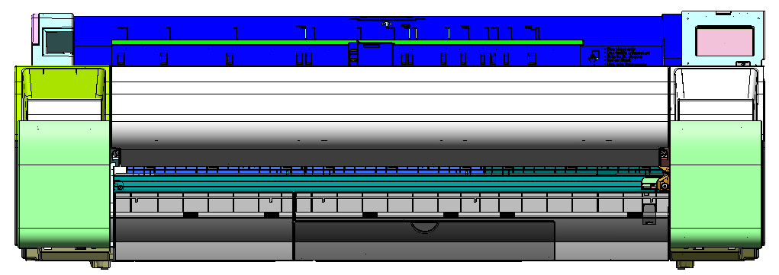

443.0

144
154

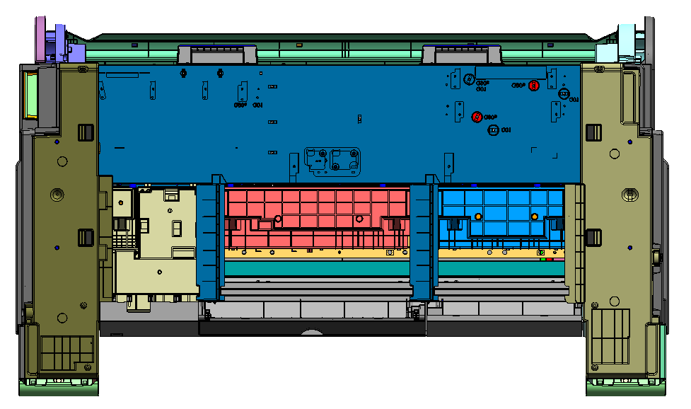
230

207

RUbber foot size：27.5ｘ12

②w/ stand basket (SD-33) closed

755.4
130
248.6
627.2(CASTER CENTER)
45.9
36.3
65
103.0
50
1059.2
747.5
57.6
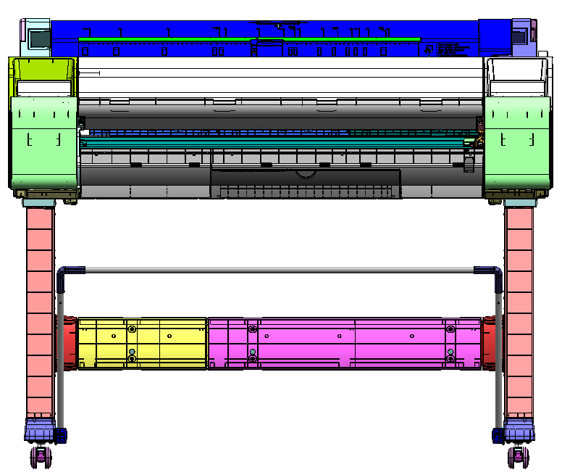
77.1
77.1
1125.0(CASTER CENTER)
1204.3
42.9
1285

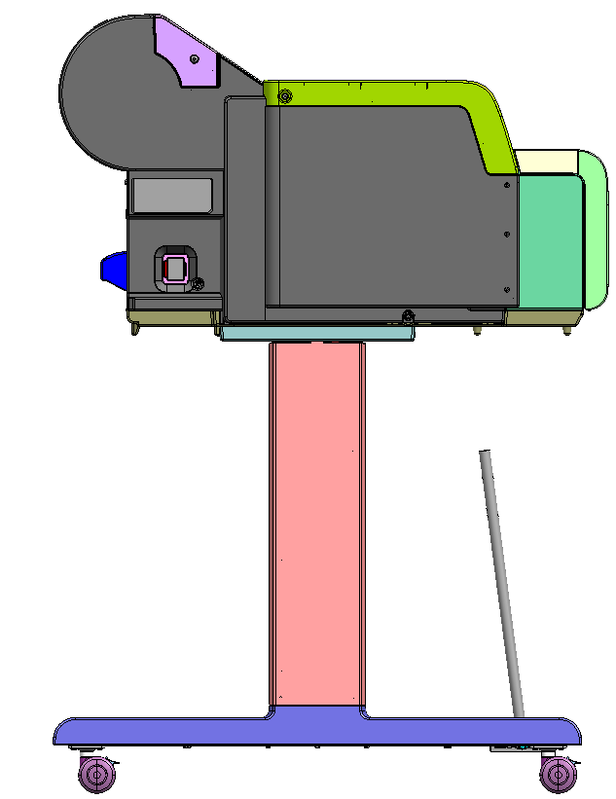

③w/ stand basket (SD-33) opened

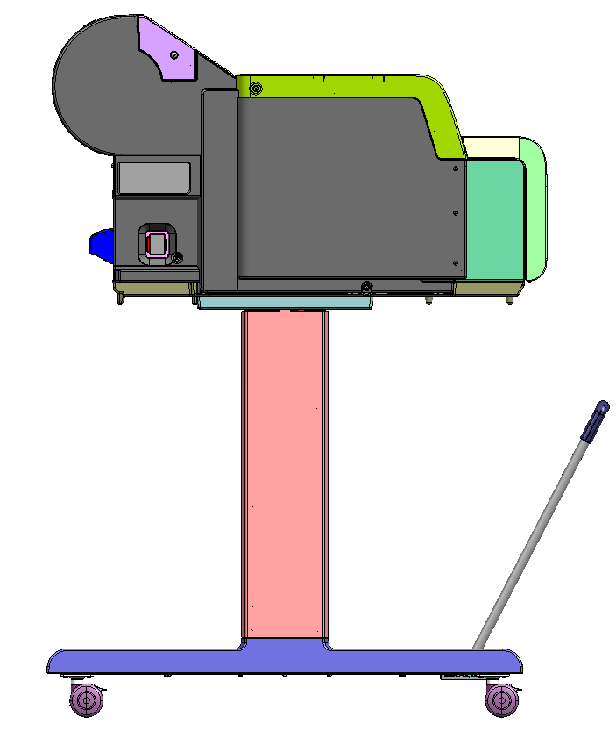

1064.0

868
（850.09+17.87（たわみ））

TM-350_355
【TM-350／TM-355】

①without Stand
1285

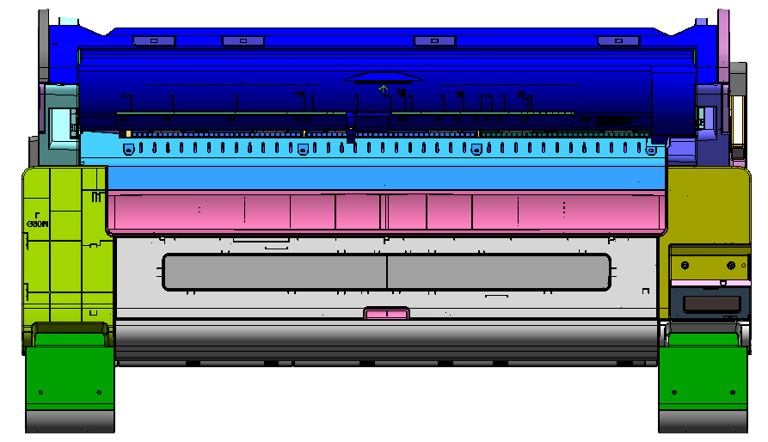


438.2
747.5
57.6

1285


443.0


Rubber foot size: 27.5ｘ12
144
154
230
207

➁w/ stand (SD-34) basket closed




755.4
130.0
248.6
627.2(CASTER CENTER)
45.9
36.3
65
103.0
50
1059.2
747.5
57.6


77.1
77.1
1125.0(CASTER CENTER)
1204.3
42.9
1285
1064.0

③w/ stand (SD-34) basket postion A


1064.0



868
（850.09+17.87（たわみ））

④w/ stand (SD-35) basket position A

1064.0

885
(865.9+19.1(バスケットたわみ))

⑤w/ stand (SD-35) basket position B

1098
(885+213(延長分))

TX-3200_TX-4200
【TX-3200】【TX-4200】

With Stacker unit

44"
36"
44"
36"






734
26
120
332
670(caster center)
48
766
φ50
65
96
540
55
1168

1593
70
1337(caster center)
1407
131
83
70

1390
70
1134(caster center)
1204
131
83
70

1390

1593

《Position 1》
《Basket position１》
734
26
120
332
670(caster center)
48
766
φ50
65
96
540
55
1168
984



1188
1168
766


《Position 2》



《Basket position 2》

1122


1222


《Position 3》

《Basket position 3》


1434

1188


Position 4》
《Basket position 4》




1188


1222

《Basket position 5》



1222

GP-200
【GP-200】

①without stand

982


438.1
747.7
57.7

982

②with basket closed



747.7
982




1059.1

57.7

50

50
96
120
286
68
68
66
820(CASTER CENTER)
611(CASTER CENTER)
48
888
50
757

③with basket opened





870

GP-300
【GP-300】

①without stand
1289


438.1
747.7
57.7

1289

②with basket closed



747.7

1289




1059.1


57.7

50

50
96
120
286
68
68
66
611(CASTER CENTER)
1127(CASTER CENTER)
48
50
757
1195

③with basket opened

870

GP-2000

unit:mm


734
26
120
332
670(caster center)
48
766
φ50
65
96
540
1168

1110
70
70
855(caster center)
924
131
56

【Example Basket Configurations】

734
26
120
332
670(caster center)
48
766
φ50
65
96
540
1168
984

Using Without roll unit (Position 1)




1222
Using With roll unit (Position 2)



Printing on Large-Format or Easily Damaged Paper (Position 3)


1434



Stacking Printed Materials (Position 4)


1222



Moving Printed Materials to Next Work Area Immediately (Position 5)


1222

GP-4000
unit:mm

734
26
120
332
670(caster center)
48
766
φ50
65
96
540
1168

1593
70
70
1338(caster center)
1407
131
56

【Example Basket Configurations】

734
26
120
332
670(caster center)
48
766
φ50
65
96
540
1168
984

Using Without roll unit (Position 1)

Using With roll unit (Position 2)
1222

Printing on Large-Format or Easily Damaged Paper (Position 3)

1434

Stacking Printed Materials (Position 4)

1222

Moving Printed Materials to Next Work Area Immediately (Position 5)

1222

GP-2600S, 4600S, 6600S

24" Rubber foot

【GP-2600S、GP-4600S、GP-6600S】

Rubber foot size：27.5ｘ24

FRONT


1110
70
70
855(caster center)
924
131
56
24"

1593
70
70
1338(caster center)
1407
131
56
44"

60"
1999
70
1744(caster center)
1813
131
56
70


734
26
120
332
670(caster center)
48
766
φ50
65
96
540
1168

【】basket potision]
734
26
120
332
670(caster center)
48
766
φ50
65
96
540
1168
984

■position1



1222
■position2



■position3

1434


■position4
1222



■position5
1222

PRO-2600, 4600, 6600
24" Rubber foot
【PRO-2600、PRO-4600、PRO-6600】

Rubber foot size：27.5ｘ24

FRONT

1593
70
70
1338(caster center)
1407
131
56
44"
60"
1999
70
1744(caster center)
1813
131
56
70
1110
70
70
855(caster center)
924
131
56
24"

734
26
120
332
670(caster center)
48
766
φ50
65
96
540
1168

【】basket potision]
734
26
120
332
670(caster center)
48
766
φ50
65
96
540
1168
984

■position1

1222
■position2

■position3

1434

■position4
1222

■position5
1222

