Sheet1


Print Speed & Ink Consumption

GP-200
Size : A1, Image: ISO SCID No.5, Print Priority: Poster/Photos (Fluorescent)
Media | Print mode |  |  | Ink Consumption | Ink Cost （130ml) | Ink Cost （300ml)
 |  | Second | minute
Plain Paper | Fast | 0:00:25 | 0.5 min | 0.750 ml | £0.00 | £0.00
 | Standard | 0:00:44 | 0.8 min | 1.331 ml | £0.00 | £0.00
Heavy weight Coated paper HG | Fast | 0:00:55 | 1.0 min | 1.361 ml | £0.00 | £0.00
 | Standard | 0:01:22 | 1.4 min | 1.453 ml | £0.00 | £0.00
Glossy Photo paper HG | Standard | 0:03:28 | 3.5 min | 1.726 ml | £0.00 | £0.00
 | High | 0:05:18 | 5.3 min | 1.840 ml | £0.00 | £0.00
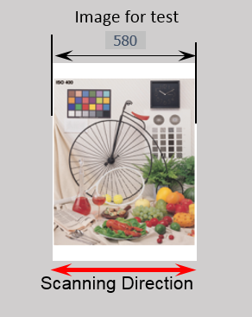
 |  |  |  | Ink cost per ml | £0.00 | £0.00
 |  |  |  | Usable Ink Value | 130ml | 300ml
 |  |  |  | Inktank Price
 |  |  |  |  | ↑ Insert Price | ↑ Insert Price

GP-300
Size : A0, Image: ISO SCID No.5, Print Priority: Poster/Photos (Fluorescent)
Media | Print mode |  |  | Ink Consumption | Ink Cost （130ml) | Ink Cost （300ml)
 |  | Second | minute
Plain Paper | Fast | 0:00:44 | 0.8 min | 1.488 ml | £0.00 | £0.00
 | Standard | 0:01:18 | 1.3 min | 2.656 ml | £0.00 | £0.00
Heavy Weight Coated Paper HG | Fast | 0:01:41 | 1.7 min | 2.717 ml | £0.00 | £0.00
 | Standard | 0:02:36 | 2.6 min | 2.858 ml | £0.00 | £0.00
Glossy Photo Paper HG | Standard | 0:06:19 | 6.4 min | 3.364 ml | £0.00 | £0.00
 | High | 0:09:41 | 9.7 min | 3.573 ml | £0.00 | £0.00
 |  |  |  | Ink cost per ml | £0.00 | £0.00
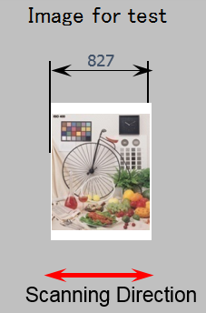
 |  |  |  | Usable Ink Value | 130ml | 330ml
 |  |  |  | Inktank Price

GP-2000
Size : A1, Image: ISO SCID No.5, Print Priority: Poster/Photos (Fluorescent)
Media | Print mode |  |  | Ink Consumption | Ink Cost （160ml) | Ink Cost （330ml) | Ink Cost （700ml)
 |  | Second | minute
Plain Paper | Fast | 0:00:59 | 1.0 min | 1.062 ml | £0.00 | £0.00 | £0.00
 | Standard | 0:01:37 | 1.7 min | 1.508 ml | £0.00 | £0.00 | £0.00
Heavy weight Coated paper HG | Standard | 0:01:37 | 1.7 min | 1.918 ml | £0.00 | £0.00 | £0.00
 | High | 0:03:09 | 3.2 min | 2.127 ml | £0.00 | £0.00 | £0.00
Glossy Photo paper HG | Standard | 0:03:08 | 3.2 min | 1.888 ml | £0.00 | £0.00 | £0.00
 | High | 0:04:40 | 4.7 min | 2.022 ml | £0.00 | £0.00 | £0.00
 |  |  |  | Ink cost per ml | £0.00 | £0.00 | £0.00
 |  |  |  | Usable Ink Value | 160ml | 330ml | 700ml
 |  |  |  | Inktank Price
 |  |  |  |  | ↑ Insert Price | ↑ Insert Price | ↑ Insert Price

GP-4000
Size : A0, Image: ISO SCID No.5, Print Priority: Poster/Photos (Fluorescent)
Media | Print mode |  |  | Ink Consumption | Ink Cost （160ml) | Ink Cost （330ml) | Ink Cost （700ml)
 |  | Second | minute
Plain Paper | Fast | 0:01:37 | 1.7 min | 2.058 ml | £0.00 | £0.00 | £0.00
 | Standard | 0:02:49 | 2.9 min | 2.958 ml | £0.00 | £0.00 | £0.00
Heavy weight Coated paper HG | Standard | 0:02:49 | 2.9 min | 3.792 ml | £0.00 | £0.00 | £0.00
 | High | 0:05:33 | 5.6 min | 4.149 ml | £0.00 | £0.00 | £0.00
Glossy Photo paper HG | Standard | 0:05:33 | 5.6 min | 3.696 ml | £0.00 | £0.00 | £0.00
 | High | 0:08:16 | 8.3 min | 3.903 ml | £0.00 | £0.00 | £0.00
 |  |  |  | Ink cost per ml | £0.00 | £0.00 | £0.00
 |  |  |  | Usable Ink Value | 160ml | 330ml | 700ml
 |  |  |  | Inktank Price
 |  |  |  |  | ↑ Insert Price | ↑ Insert Price | ↑ Insert Price

Print Conditions
CPU: | Intel Core i7-7700 / 3.6 GHz
RAM: | 16GB
OS: | Windows 10 Enterprise
Interface: | Hi-Speed USB
Application:
Adobe Photoshop Elements | Photo (SCID No.5)

